Dashboard_Home
Electric Vehicle Launch In India
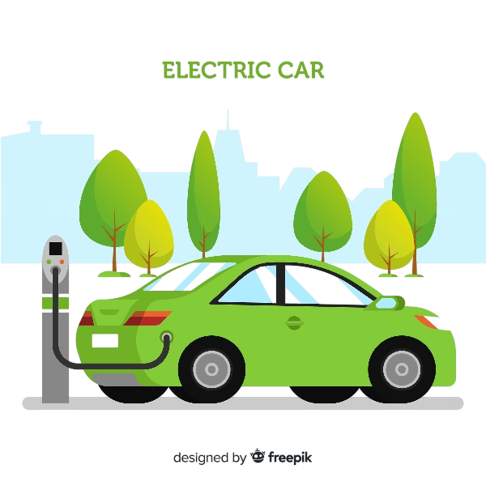

State Analysis
Maker Analysis
Recommendations

All indian States analysis, Penetration Rate (PR), Current Annual Growth Rate(CAGR) Insights, Projected EV sales infuture.
All Electric Vehicle Manufacturars, CAGR insights, popularity, Revenue generated and temporal trends.
Suggestions and Data Driven Recommendations to AtilQ for an effective launch and campaigning to maximise increasing outreach and gainind customers.

Dashboard_state
Total Revenue
Total EV sold
Penetration Rate
EV Sales 2030

₹ 28,82,752.2 M
20,66,111
3.61
85.18 M

5 states by PR
Top 5
Bottom 5
Top 10 states by CGAR 21-23
EV Sales at (fiscal 2030 ) of top 10 PR states.
 | Total
Haryana | 17.68
Arunachal Pradesh | 18.3
Mizoram | 18.77
Assam | 20.13
Gujarat | 20.55
Rajasthan | 21.5
Delhi | 22.88
Karnataka | 25.28
Goa | 27.41
Meghalaya | 28.47
 | Total
Maharashtra | 6.49%
Kerala | 6.64%
Delhi | 6.76%
Karnataka | 7.84%
Goa | 9.84%
State | PR_total | CAGR_2030 | EV_sale_2030
Goa | 9.84 | 146% | 2.42 M
Karnataka | 7.84 | 93% | 8.38 M
Delhi | 6.76 | 68% | 1.05 M
Kerala | 6.64 | 133% | 11.78 M
Maharashtra | 6.49 | 102% | 13.35 M
Odisha | 4.63 | 103% | 2.73 M
Rajasthan | 4.55 | 82% | 2.40 M
Gujarat | 4.4 | 116% | 8.65 M
Tamil Nadu | 4.3 | 60% | 1.58 M
Chandigarh | 4.04 | 165% | 0.99 M
Vehicle Category
Total | 5.7 | 93% | 40.26 M
 | 2-Wheelers | 4-Wheelers
Total | 1913168 | 152943

Dashboard_maker
Total EV Sold
CAGR (22-23)
2066111
31.50%
Vehicle Type
EV maker Market Share
Top 5 Maker CAGR (21-23 Fiscal years)
c
 | Market Share
Mercedes -Benz AG | 0.02%
KIA Motors | 0.03%
Volvo Auto India | 0.03%
BMW India | 0.07%
PCA Automobiles | 0.08%
 | Total
BMW India | 1141%
BYD India | 567%
OLA ELECTRIC | 373%
TVS | 331%
Volvo Auto India | 971%
 | Total
2-Wheelers | 1913168
4-Wheelers | 152943

Top 5
Bottom 5

Quarterly Trend for Top 3 Sellers
 | 2022 | 2023 | 2024
Jan | 31672 | 68116 | 89311
Feb | 38171 | 70827 | 89051
Mar | 58118 | 95126 | 138343
Apr | 6315 | 55524 | 72818
May | 1499 | 45373 | 112997
Jun | 5487 | 47591 | 53631
Jul | 15794 | 50010 | 61622
Aug | 17153 | 55584 | 69224
Sep | 19351 | 56828 | 69793
Oct | 22190 | 81162 | 81833
Nov | 26159 | 80752 | 98285
Dec | 29241 | 68475 | 82685
EV Monthly Sale Trend
 | OLA ELECTRIC | TVS | ATHER
Qtr1 | 185341 | 100877 | 73031
Qtr2 | 98527 | 41092 | 38497
Qtr3 | 72722 | 57755 | 39307
Qtr4 | 132883 | 72851 | 53614

Dashboard_Reccomendations
Recommendations


Market for 2-Wheelers is blooming with OLA, TVS dominating the market. Considering India is price sensitive country, AtilQ can focus on budget friendly 2-Wheeler Vehicles.

Ambassador?

Goa, Karnataka, Maharashtra are becoming states with most penetration rate for EVs. AtilQ can get a good headstart by focusing their resources on these states.

Vicky Kusahal is our 'go to person' for the role of ambassador.
With recent successes of his Movies across platforms, he has earned himself a name and become known among many. He, clearly, puts himself a face of change for the people at dawn of new era of content.
His influence and his reputation fits well within our goal, since we can reach a larger audience through him and present our EV as future of the personal transportation.

States like Sikkim, Arunachal, Andaman and Nicobar are behind in the Fuel to EV change. Effective ways of marketing to remote areas like these is important to get a substantial loyal customer base.

Overall rise in sales is seen from November to March, this time period is crucial for marketing and campaiging to attaract customers.

4-Wheeler sales is lower compared to 2 Wheelers. However, targeting tier 1 cities with high penetration rate states can be a good opportunity to turn 4-Wheeler buyers into cusstomers.

Campaiging EV as environement friendly and resource effective can be a good strategies, especially to densly populated tier 1 cities like Delhi, Guwahati; since air pollution is a major concerne for them.

